Current Plan Fees
Enter Your Company Data Here:
Interactive 401(k) Fee Calculator

Want to speak with a real Advisor?
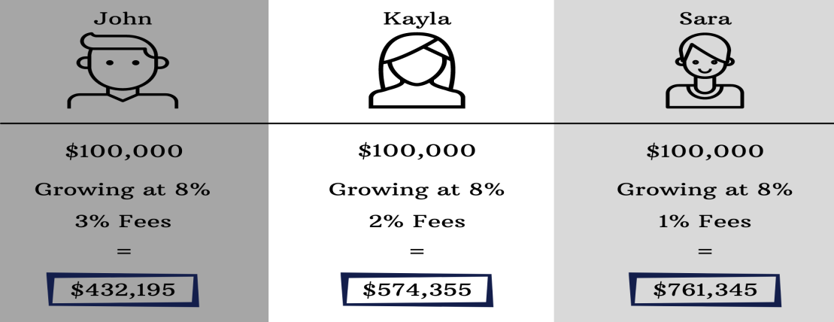
Find us online:
Plan Balance: | $2,954,267
ER Contrib: | $130,000
EE Contrib: | $89,000
Profit Sharing Contributions: | $0
Incoming Rollovers: | $0
Link to our Calendar:
Market Performance: | 6.00%
Record Keeper %: | 0.84%
Phone : (435) 753-3888
TPA %: | 0.00%
Net Investment Exp %: | 0.33%
Advisory Fees %: | 0.00%
Plan Distributions: | 0

Year | 2021 | 2022 | 2023 | 2024 | 2025 | 2026 | 2027 | 2028 | 2029 | 2030 | 2031 | 2032 | 2033 | 2034 | 2035 | 2036 | 2037 | 2038 | 2039 | 2040 | 2041 | 2042 | 2043 | 2044 | 2045 | 2046 | 2047 | 2048 | 2049
Plan Additions:
ER Contributions | 130,000 | 130,000 | 130,000 | 130,000 | 130,000 | 130,000 | 130,000 | 130,000 | 130,000 | 130,000 | 130,000 | 130,000 | 130,000 | 130,000 | 130,000 | 130,000 | 130,000 | 130,000 | 130,000 | 130,000 | 130,000 | 130,000 | 130,000 | 130,000 | 130,000 | 130,000 | 130,000 | 130,000 | 130,000
EE Contributions | $89,000 | $89,000 | $89,000 | $89,000 | $89,000 | $89,000 | $89,000 | $89,000 | $89,000 | $89,000 | $89,000 | $89,000 | $89,000 | $89,000 | $89,000 | $89,000 | $89,000 | $89,000 | $89,000 | $89,000 | $89,000 | $89,000 | $89,000 | $89,000 | $89,000 | $89,000 | $89,000 | $89,000 | $89,000
Profit Share | 0 | 0 | 0 | 0 | 0 | 0 | 0 | 0 | 0 | 0 | 0 | 0 | 0 | 0 | 0 | 0 | 0 | 0 | 0 | 0 | 0 | 0 | 0 | 0 | 0 | 0 | 0 | 0 | 0
Incoming Rollovers | $0 | $0 | $0 | $0 | $0 | $0 | $0 | $0 | $0 | $0 | $0 | $0 | $0 | $0 | $0 | $0 | $0 | $0 | $0 | $0 | $0 | $0 | $0 | $0 | $0 | $0 | $0 | $0 | $0
TOTAL ADDITIONS: | 219,000 | 219,000 | 219,000 | 219,000 | 219,000 | 219,000 | 219,000 | 219,000 | 219,000 | 219,000 | 219,000 | 219,000 | 219,000 | 219,000 | 219,000 | 219,000 | 219,000 | 219,000 | 219,000 | 219,000 | 219,000 | 219,000 | 219,000 | 219,000 | 219,000 | 219,000 | 219,000 | 219,000 | 219,000

Fees & Distributions:
Record Keeper: | 24,816 | 27,854 | 31,039 | 34,378 | 37,878 | 41,547 | 45,393 | 49,425 | 53,652 | 58,083 | 62,728 | 67,598 | 72,702 | 78,053 | 83,663 | 89,543 | 95,708 | 102,170 | 108,945 | 116,046 | 123,491 | 131,295 | 139,476 | 148,053 | 157,043 | 166,468 | 176,348 | 186,705 | 197,562
TPA: | 0 | 0 | 0 | 0 | 0 | 0 | 0 | 0 | 0 | 0 | 0 | 0 | 0 | 0 | 0 | 0 | 0 | 0 | 0 | 0 | 0 | 0 | 0 | 0 | 0 | 0 | 0 | 0 | 0
Net Investment Expenses: | 9,749 | 10,943 | 12,194 | 13,506 | 14,881 | 16,322 | 17,833 | 19,417 | 21,078 | 22,818 | 24,643 | 26,556 | 28,562 | 30,664 | 32,868 | 35,178 | 37,600 | 40,138 | 42,800 | 45,590 | 48,514 | 51,580 | 54,794 | 58,163 | 61,695 | 65,398 | 69,279 | 73,348 | 77,614
Advisory Fees: | 0 | 0 | 0 | 0 | 0 | 0 | 0 | 0 | 0 | 0 | 0 | 0 | 0 | 0 | 0 | 0 | 0 | 0 | 0 | 0 | 0 | 0 | 0 | 0 | 0 | 0 | 0 | 0 | 0
TOTAL FEES: | 34,565 | 38,797 | 43,233 | 47,883 | 52,758 | 57,869 | 63,226 | 68,842 | 74,730 | 80,902 | 87,371 | 94,154 | 101,264 | 108,717 | 116,530 | 124,721 | 133,307 | 142,308 | 151,744 | 161,636 | 172,005 | 182,875 | 194,270 | 206,216 | 218,739 | 231,866 | 245,627 | 260,053 | 275,176

Projected Plan Values:
Beginning Value | 2,954,267.00 | 3,315,958.10 | 3,695,118.87 | 4,092,593.11 | 4,509,265.36 | 4,946,062.88 | 5,403,957.72 | 5,883,968.87 | 6,387,164.57 | 6,914,664.62 | 7,467,642.92 | 8,047,330.07 | 8,655,016.11 | 9,292,053.39 | 9,959,859.57 | 10,659,920.79 | 11,393,794.96 | 12,163,115.26 | 12,969,593.73 | 13,815,025.10 | 14,701,290.82 | 15,630,363.16 | 16,604,309.70 | 17,625,297.86 | 18,695,599.75 | 19,817,597.22 | 20,993,787.16 | 22,226,787.08 | 23,519,340.90
Plan Additions | 219,000 | 219,000 | 219,000 | 219,000 | 219,000 | 219,000 | 219,000 | 219,000 | 219,000 | 219,000 | 219,000 | 219,000 | 219,000 | 219,000 | 219,000 | 219,000 | 219,000 | 219,000 | 219,000 | 219,000 | 219,000 | 219,000 | 219,000 | 219,000 | 219,000 | 219,000 | 219,000 | 219,000 | 219,000
(Plan Distributions) | 0 | 0 | 0 | 0 | 0 | 0 | 0 | 0 | 0 | 0 | 0 | 0 | 0 | 0 | 0 | 0 | 0 | 0 | 0 | 0 | 0 | 0 | 0 | 0 | 0 | 0 | 0 | 0 | 0
(Fees & Expenses) | (34,565) | (38,797) | (43,233) | (47,883) | (52,758) | (57,869) | (63,226) | (68,842) | (74,730) | (80,902) | (87,371) | (94,154) | (101,264) | (108,717) | (116,530) | (124,721) | (133,307) | (142,308) | (151,744) | (161,636) | (172,005) | (182,875) | (194,270) | (206,216) | (218,739) | (231,866) | (245,627) | (260,053) | (275,176)
Market Growth | 177256.02 | 198957.48577 | 221707 | 245556 | 270556 | 296764 | 324237 | 353038 | 383230 | 414880 | 448059 | 482840 | 519301 | 557523 | 597592 | 639595 | 683628 | 729787 | 778176 | 828902 | 882077 | 937822 | 996259 | 1057518 | 1121736 | 1189056 | 1259627 | 1333607 | 1411160
Ending Value | 3,315,958.10 | 3,695,118.87 | 4,092,593.11 | 4,509,265.36 | 4,946,062.88 | 5,403,957.72 | 5,883,968.87 | 6,387,164.57 | 6,914,664.62 | 7,467,642.92 | 8,047,330.07 | 8,655,016.11 | 9,292,053.39 | 9,959,859.57 | 10,659,920.79 | 11,393,794.96 | 12,163,115.26 | 12,969,593.73 | 13,815,025.10 | 14,701,290.82 | 15,630,363.16 | 16,604,309.70 | 17,625,297.86 | 18,695,599.75 | 19,817,597.22 | 20,993,787.16 | 22,226,787.08 | 23,519,340.90 | 24,874,325.06

End of Calculator

